Confidence Interval
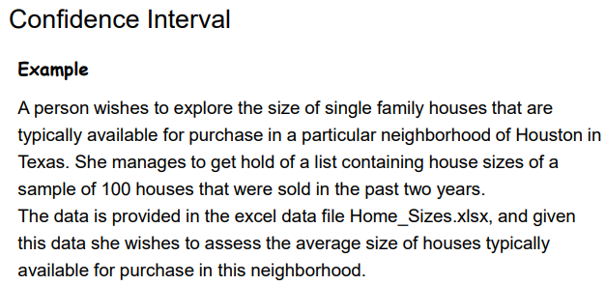
Size (sq feet)
3383
1285
2337 | x_bar | 3238.24
3507
3678 | t-alpha/2 | 1.9842169516
3421
1395 | std dev, s | 957.67048085
5005
4126 | observation, n | 100
4261
5455 | margin of error | 190.02260021
3042
2686
3510 | Lower Limit | Upper Limit
2999 | 3048.2173998 | 3428.2626002
3905
2470
3266
3951
2645
2661
2816
2253
3163
1201
2675
3806
3826
2924
2981
4056
4427
2400
2496
4788
3587
3612
3760
6580
5550
2504
2964
4247
2599
1371
2451
3287
3458
2530
2433
3097
5417
3287
3010
3421
3028
2448
3001
1836
3117
3620
3054
4089
3377
3400
5129
3324
3154
1727
3227
3439
4262
2962
2278
3705
3281
3013
3564
3867
3046
1467
3468
3863
2175
2028
2010
4916
3663
2824
3104
3421
4099
3108
2202
4020
2155
3449
2288
2809
3842

